Phil-Health Table
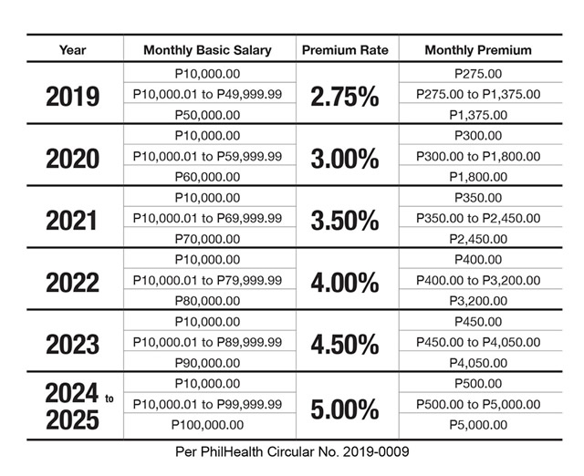

2023
- | 10,000.00 | 0% | Employer | Employee
10,001.00 | 90,000.00 | 4.50% | 2.25% | 2.25%

